barbell_version_1
Date | Regime | SHYG_Weight | IEF_Weight | Net_Return | Benchmark_Return
2016-01-29 | 4 | 0.15 | 0.85 | 2.669% | 1.241%
2016-02-29 | 4 | 0.15 | 0.85 | 1.461% | 0.887%
2016-03-31 | 3 | 0.35 | 0.65 | 0.356% | 0.875%
2016-04-29 | 3 | 0.35 | 0.65 | 0.450% | 0.255%
2016-05-31 | 3 | 0.35 | 0.65 | 0.278% | 0.014%
2016-06-30 | 1 | 0.85 | 0.15 | 1.364% | 1.935%
2016-07-29 | 1 | 0.85 | 0.15 | 1.136% | 0.544%
2016-08-31 | 1 | 0.85 | 0.15 | 1.013% | -0.215%
2016-09-30 | 1 | 0.85 | 0.15 | 0.748% | 0.052%
2016-10-31 | 1 | 0.85 | 0.15 | -0.313% | -0.817%
2016-11-30 | 1 | 0.85 | 0.15 | -0.332% | -2.566%
2016-12-30 | 1 | 0.85 | 0.15 | 1.421% | 0.254%
2017-01-31 | 1 | 0.85 | 0.15 | 0.697% | 0.213%
2017-02-28 | 1 | 0.85 | 0.15 | 1.039% | 0.646%
2017-03-31 | 1 | 0.85 | 0.15 | 0.028% | -0.055%
2017-04-28 | 1 | 0.85 | 0.15 | 0.767% | 0.907%
2017-05-31 | 1 | 0.85 | 0.15 | 0.773% | 0.687%
2017-06-30 | 1 | 0.85 | 0.15 | 0.021% | -0.018%
2017-07-31 | 1 | 0.85 | 0.15 | 0.665% | 0.334% | performance summary
2017-08-31 | 1 | 0.85 | 0.15 | 0.265% | 0.941% |  | CAGR | MDD | Sharpe Ratio
2017-09-29 | 1 | 0.85 | 0.15 | 0.245% | -0.572% | Strategy | 2.78% | -15.45% | 57.17%
2017-10-31 | 1 | 0.85 | 0.15 | 0.136% | 0.098% | Benchmark (AGG) | 1.80% | -17.13% | 37.27%
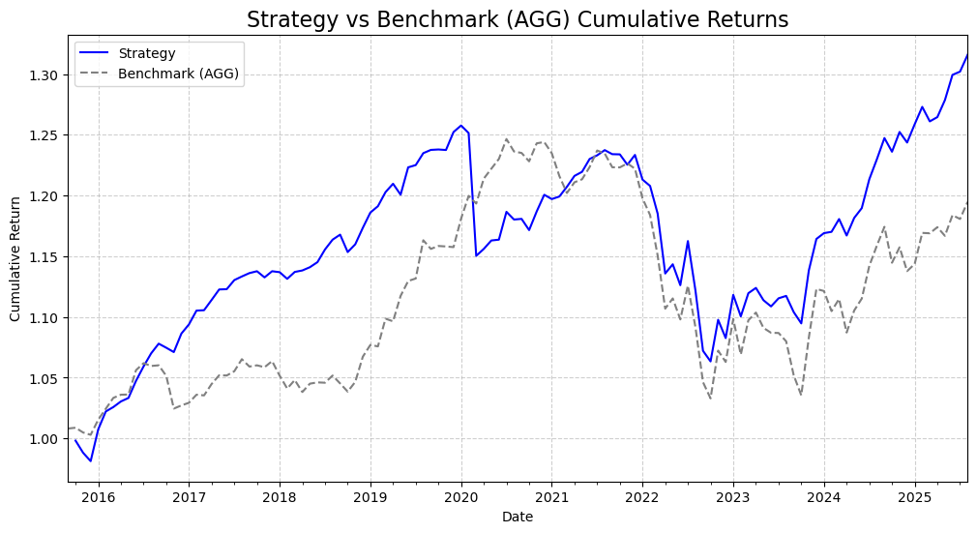
2017-11-30 | 1 | 0.85 | 0.15 | -0.446% | -0.148%
2017-12-29 | 1 | 0.85 | 0.15 | 0.448% | 0.475%
2018-01-31 | 1 | 0.85 | 0.15 | -0.070% | -1.125%
2018-02-28 | 1 | 0.85 | 0.15 | -0.481% | -1.009%
2018-03-30 | 2 | 0.6 | 0.4 | 0.503% | 0.671%
2018-04-30 | 1 | 0.85 | 0.15 | 0.107% | -0.941%
2018-05-31 | 1 | 0.85 | 0.15 | 0.235% | 0.662%
2018-06-29 | 1 | 0.85 | 0.15 | 0.365% | 0.103%
2018-07-31 | 1 | 0.85 | 0.15 | 0.914% | -0.029%
2018-08-31 | 1 | 0.85 | 0.15 | 0.696% | 0.568%
2018-09-28 | 1 | 0.85 | 0.15 | 0.357% | -0.620%
2018-10-31 | 1 | 0.85 | 0.15 | -1.230% | -0.644%
2018-11-30 | 3 | 0.35 | 0.65 | 0.555% | 0.772%
2018-12-31 | 3 | 0.35 | 0.65 | 1.168% | 1.981%
2019-01-31 | 4 | 0.15 | 0.85 | 1.074% | 0.911%
2019-02-28 | 1 | 0.85 | 0.15 | 0.441% | -0.114%
2019-03-29 | 1 | 0.85 | 0.15 | 0.970% | 2.123%
2019-04-30 | 1 | 0.85 | 0.15 | 0.577% | -0.200%
2019-05-31 | 1 | 0.85 | 0.15 | -0.743% | 1.911%
2019-06-28 | 1 | 0.85 | 0.15 | 1.874% | 1.099%
2019-07-31 | 1 | 0.85 | 0.15 | 0.152% | 0.182%
2019-08-30 | 1 | 0.85 | 0.15 | 0.802% | 2.783%
2019-09-30 | 1 | 0.85 | 0.15 | 0.217% | -0.612%
2019-10-31 | 1 | 0.85 | 0.15 | 0.028% | 0.208%
2019-11-29 | 1 | 0.85 | 0.15 | -0.035% | -0.035%
2019-12-31 | 1 | 0.85 | 0.15 | 1.196% | -0.047%
2020-01-31 | 1 | 0.85 | 0.15 | 0.428% | 2.029%
2020-02-28 | 1 | 0.85 | 0.15 | -0.494% | 1.585%
2020-03-31 | 1 | 0.85 | 0.15 | -8.078% | -0.527%
2020-04-30 | 4 | 0.15 | 0.85 | 0.493% | 1.719%
2020-05-29 | 4 | 0.15 | 0.85 | 0.601% | 0.673%
2020-06-30 | 3 | 0.35 | 0.65 | 0.059% | 0.659%
2020-07-31 | 3 | 0.35 | 0.65 | 1.971% | 1.333%
2020-08-31 | 3 | 0.35 | 0.65 | -0.535% | -0.824%
2020-09-30 | 3 | 0.35 | 0.65 | 0.045% | -0.097%
2020-10-30 | 3 | 0.35 | 0.65 | -0.782% | -0.558%
2020-11-30 | 3 | 0.35 | 0.65 | 1.309% | 1.207%
2020-12-31 | 1 | 0.85 | 0.15 | 1.159% | 0.086%
2021-01-29 | 1 | 0.85 | 0.15 | -0.295% | -0.745%
2021-02-26 | 1 | 0.85 | 0.15 | 0.176% | -1.518%
2021-03-31 | 1 | 0.85 | 0.15 | 0.669% | -1.146%
2021-04-30 | 1 | 0.85 | 0.15 | 0.741% | 0.732%
2021-05-31 | 1 | 0.85 | 0.15 | 0.276% | 0.204%
2021-06-30 | 1 | 0.85 | 0.15 | 0.868% | 0.828%
2021-07-30 | 1 | 0.85 | 0.15 | 0.245% | 1.117%
2021-08-31 | 1 | 0.85 | 0.15 | 0.348% | -0.200%
2021-09-30 | 1 | 0.85 | 0.15 | -0.271% | -0.917%
2021-10-29 | 1 | 0.85 | 0.15 | -0.012% | -0.009%
2021-11-30 | 1 | 0.85 | 0.15 | -0.694% | 0.271%
2021-12-31 | 2 | 0.6 | 0.4 | 0.662% | -0.359%
2022-01-31 | 1 | 0.85 | 0.15 | -1.649% | -1.999%
2022-02-28 | 2 | 0.6 | 0.4 | -0.430% | -1.146%
2022-03-31 | 2 | 0.6 | 0.4 | -1.884% | -2.812%
2022-04-29 | 4 | 0.15 | 0.85 | -4.165% | -3.806%
2022-05-31 | 4 | 0.15 | 0.85 | 0.671% | 0.761%
2022-06-30 | 4 | 0.15 | 0.85 | -1.508% | -1.553%
2022-07-29 | 4 | 0.15 | 0.85 | 3.227% | 2.538%
2022-08-31 | 3 | 0.35 | 0.65 | -3.498% | -3.042%
2022-09-30 | 4 | 0.15 | 0.85 | -4.429% | -4.145%
2022-10-31 | 4 | 0.15 | 0.85 | -0.816% | -1.278%
2022-11-30 | 3 | 0.35 | 0.65 | 3.223% | 3.808%
2022-12-30 | 3 | 0.35 | 0.65 | -1.372% | -0.870%
2023-01-31 | 3 | 0.35 | 0.65 | 3.286% | 3.330%
2023-02-28 | 1 | 0.85 | 0.15 | -1.583% | -2.666%
2023-03-31 | 1 | 0.85 | 0.15 | 1.735% | 2.641%
2023-04-28 | 1 | 0.85 | 0.15 | 0.389% | 0.575%
2023-05-31 | 1 | 0.85 | 0.15 | -0.903% | -1.144%
2023-06-30 | 3 | 0.35 | 0.65 | -0.458% | -0.368%
2023-07-31 | 1 | 0.85 | 0.15 | 0.603% | -0.015%
2023-08-31 | 1 | 0.85 | 0.15 | 0.177% | -0.631%
2023-09-29 | 1 | 0.85 | 0.15 | -1.194% | -2.590%
2023-10-31 | 1 | 0.85 | 0.15 | -0.843% | -1.571%
2023-11-30 | 3 | 0.35 | 0.65 | 3.987% | 4.593%
2023-12-29 | 1 | 0.85 | 0.15 | 2.274% | 3.698%
2024-01-31 | 1 | 0.85 | 0.15 | 0.414% | -0.151%
2024-02-29 | 1 | 0.85 | 0.15 | 0.091% | -1.475%
2024-03-29 | 1 | 0.85 | 0.15 | 0.900% | 0.902%
2024-04-30 | 1 | 0.85 | 0.15 | -1.149% | -2.478%
2024-05-31 | 1 | 0.85 | 0.15 | 1.242% | 1.670%
2024-06-28 | 1 | 0.85 | 0.15 | 0.681% | 0.885%
2024-07-31 | 1 | 0.85 | 0.15 | 2.005% | 2.419%
2024-08-30 | 1 | 0.85 | 0.15 | 1.352% | 1.461%
2024-09-30 | 1 | 0.85 | 0.15 | 1.421% | 1.333%
2024-10-31 | 1 | 0.85 | 0.15 | -0.904% | -2.519%
2024-11-29 | 1 | 0.85 | 0.15 | 1.317% | 1.111%
2024-12-31 | 1 | 0.85 | 0.15 | -0.696% | -1.693%
2025-01-31 | 1 | 0.85 | 0.15 | 1.210% | 0.516%
2025-02-28 | 1 | 0.85 | 0.15 | 1.139% | 2.237%
2025-03-31 | 1 | 0.85 | 0.15 | -0.939% | -0.026%
2025-04-30 | 1 | 0.85 | 0.15 | 0.279% | 0.431%
2025-05-30 | 1 | 0.85 | 0.15 | 1.107% | -0.607%
2025-06-30 | 1 | 0.85 | 0.15 | 1.624% | 1.455%
2025-07-31 | 1 | 0.85 | 0.15 | 0.206% | -0.264%
2025-08-29 | 1 | 0.85 | 0.15 | 1.060% | 1.190%
2025-09-30 | 1 | 0.85 | 0.15 | 0.764% | 1.127%
2025-10-31 | 1 | 0.85 | 0.15 | 0.162% | 0.615%

barbell_version_2
Date | Regime | SHYG_Weight | IEF_Weight | Weight_TLT | Net_Return | Benchmark_Return
2016-01-29 | 4 | 0.10 | 0.50 | 0.40 | 3.21% | 1.241%
2016-02-29 | 4 | 0.13 | 0.51 | 0.36 | 2.11% | 0.887%
2016-03-31 | 3 | 0.28 | 0.56 | 0.16 | 0.04% | 0.875%
2016-04-29 | 3 | 0.29 | 0.47 | 0.24 | 0.21% | 0.255%
2016-05-31 | 3 | 0.29 | 0.47 | 0.24 | 0.44% | 0.014%
2016-06-30 | 4 | 0.31 | 0.57 | 0.12 | 3.45% | 1.935%
2016-07-29 | 1 | 0.44 | 0.52 | 0.05 | 0.74% | 0.544%
2016-08-31 | 1 | 0.44 | 0.52 | 0.05 | 0.03% | -0.215%
2016-09-30 | 1 | 0.44 | 0.52 | 0.05 | 0.42% | 0.052%
2016-10-31 | 1 | 0.44 | 0.52 | 0.05 | -1.02% | -0.817%
2016-11-30 | 1 | 0.44 | 0.52 | 0.05 | -2.42% | -2.566%
2016-12-30 | 1 | 0.50 | 0.46 | 0.04 | 0.63% | 0.254%
2017-01-31 | 1 | 0.50 | 0.46 | 0.04 | 0.53% | 0.213%
2017-02-28 | 1 | 0.50 | 0.46 | 0.04 | 0.95% | 0.646%
2017-03-31 | 1 | 0.50 | 0.46 | 0.04 | 0.02% | -0.055%
2017-04-28 | 1 | 0.50 | 0.46 | 0.04 | 0.93% | 0.907%
2017-05-31 | 1 | 0.50 | 0.46 | 0.04 | 0.84% | 0.687%
2017-06-30 | 1 | 0.50 | 0.46 | 0.04 | -0.14% | -0.018% | performance summary
2017-07-31 | 1 | 0.50 | 0.46 | 0.04 | 0.50% | 0.334% |  | CAGR | MDD | Sharpe Ratio
2017-08-31 | 1 | 0.50 | 0.46 | 0.04 | 0.84% | 0.941% | Strategy | 2.79% | -17.90% | 50.00%
2017-09-29 | 1 | 0.50 | 0.46 | 0.04 | -0.49% | -0.572% | Benchmark (AGG) | 1.80% | -17.13% | 37.27%
2017-10-31 | 1 | 0.50 | 0.46 | 0.04 | 0.01% | 0.098%
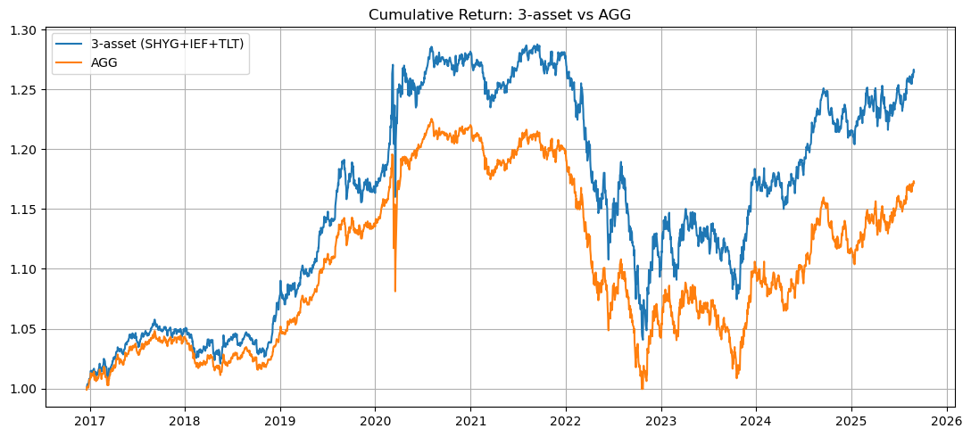
2017-11-30 | 1 | 0.50 | 0.46 | 0.04 | -0.33% | -0.148%
2017-12-29 | 1 | 0.50 | 0.46 | 0.04 | 0.41% | 0.475%
2018-01-31 | 1 | 0.45 | 0.51 | 0.04 | -1.01% | -1.125%
2018-02-28 | 3 | 0.33 | 0.58 | 0.09 | -0.84% | -1.009%
2018-03-30 | 4 | 0.28 | 0.56 | 0.16 | 0.99% | 0.671%
2018-04-30 | 2 | 0.29 | 0.47 | 0.24 | -0.95% | -0.941%
2018-05-31 | 2 | 0.41 | 0.54 | 0.05 | 0.90% | 0.662%
2018-06-29 | 2 | 0.29 | 0.47 | 0.24 | 0.23% | 0.103%
2018-07-31 | 2 | 0.43 | 0.53 | 0.05 | -0.32% | -0.029%
2018-08-31 | 2 | 0.43 | 0.53 | 0.05 | 0.87% | 0.568%
2018-09-28 | 1 | 0.43 | 0.53 | 0.05 | -0.50% | -0.620%
2018-10-31 | 4 | 0.23 | 0.53 | 0.24 | -0.97% | -0.644%
2018-11-30 | 4 | 0.10 | 0.50 | 0.40 | 1.02% | 0.772%
2018-12-31 | 4 | 0.10 | 0.50 | 0.40 | 3.54% | 1.981%
2019-01-31 | 4 | 0.21 | 0.54 | 0.26 | 0.83% | 0.911%
2019-02-28 | 3 | 0.34 | 0.58 | 0.08 | -0.50% | -0.114%
2019-03-29 | 3 | 0.34 | 0.58 | 0.08 | 2.22% | 2.123%
2019-04-30 | 2 | 0.40 | 0.55 | 0.05 | -0.23% | -0.200%
2019-05-31 | 4 | 0.29 | 0.56 | 0.15 | 1.35% | 1.911%
2019-06-28 | 3 | 0.34 | 0.58 | 0.08 | 1.37% | 1.099%
2019-07-31 | 3 | 0.29 | 0.47 | 0.24 | 0.05% | 0.182%
2019-08-30 | 4 | 0.28 | 0.56 | 0.16 | 4.46% | 2.783%
2019-09-30 | 3 | 0.29 | 0.47 | 0.24 | -0.97% | -0.612%
2019-10-31 | 2 | 0.29 | 0.47 | 0.24 | -0.16% | 0.208%
2019-11-29 | 2 | 0.29 | 0.47 | 0.24 | -0.39% | -0.035%
2019-12-31 | 1 | 0.46 | 0.50 | 0.04 | -0.81% | -0.047%
2020-01-31 | 2 | 0.41 | 0.54 | 0.05 | 1.98% | 2.029%
2020-02-28 | 4 | 0.23 | 0.54 | 0.23 | 1.37% | 1.585%
2020-03-31 | 4 | 0.10 | 0.50 | 0.40 | 1.20% | -0.527%
2020-04-30 | 4 | 0.10 | 0.50 | 0.40 | 1.05% | 1.719%
2020-05-29 | 4 | 0.20 | 0.53 | 0.27 | -0.37% | 0.673%
2020-06-30 | 4 | 0.23 | 0.54 | 0.23 | 0.19% | 0.659%
2020-07-31 | 3 | 0.34 | 0.58 | 0.08 | 2.33% | 1.333%
2020-08-31 | 3 | 0.34 | 0.58 | 0.08 | -0.87% | -0.824%
2020-09-30 | 3 | 0.34 | 0.58 | 0.08 | 0.09% | -0.097%
2020-10-30 | 4 | 0.34 | 0.58 | 0.08 | -0.95% | -0.558%
2020-11-30 | 2 | 0.29 | 0.47 | 0.24 | 1.34% | 1.207%
2020-12-31 | 2 | 0.41 | 0.54 | 0.05 | 0.02% | 0.086%
2021-01-29 | 2 | 0.41 | 0.54 | 0.05 | -0.83% | -0.745%
2021-02-26 | 2 | 0.41 | 0.54 | 0.05 | -1.30% | -1.518%
2021-03-31 | 1 | 0.41 | 0.54 | 0.05 | -1.06% | -1.146%
2021-04-30 | 1 | 0.46 | 0.50 | 0.04 | 0.93% | 0.732%
2021-05-31 | 1 | 0.46 | 0.50 | 0.04 | 0.33% | 0.204%
2021-06-30 | 1 | 0.46 | 0.50 | 0.04 | 1.09% | 0.828%
2021-07-30 | 1 | 0.46 | 0.50 | 0.04 | 1.13% | 1.117%
2021-08-31 | 1 | 0.46 | 0.50 | 0.04 | 0.01% | -0.200%
2021-09-30 | 1 | 0.46 | 0.50 | 0.04 | -0.94% | -0.917%
2021-10-29 | 1 | 0.46 | 0.50 | 0.04 | -0.08% | -0.009%
2021-11-30 | 1 | 0.46 | 0.50 | 0.04 | 0.21% | 0.271%
2021-12-31 | 1 | 0.46 | 0.50 | 0.04 | 0.40% | -0.359%
2022-01-31 | 2 | 0.40 | 0.55 | 0.05 | -1.90% | -1.999%
2022-02-28 | 3 | 0.29 | 0.47 | 0.24 | -0.44% | -1.146%
2022-03-31 | 2 | 0.42 | 0.53 | 0.05 | -3.38% | -2.812%
2022-04-29 | 3 | 0.36 | 0.59 | 0.06 | -3.75% | -3.806%
2022-05-31 | 4 | 0.26 | 0.55 | 0.19 | 0.53% | 0.761%
2022-06-30 | 4 | 0.15 | 0.52 | 0.33 | -2.09% | -1.553%
2022-07-29 | 4 | 0.27 | 0.56 | 0.17 | 3.00% | 2.538%
2022-08-31 | 4 | 0.27 | 0.56 | 0.17 | -3.61% | -3.042%
2022-09-30 | 4 | 0.14 | 0.51 | 0.34 | -4.68% | -4.145%
2022-10-31 | 4 | 0.20 | 0.53 | 0.27 | -2.43% | -1.278%
2022-11-30 | 3 | 0.34 | 0.58 | 0.09 | 4.31% | 3.808%
2022-12-30 | 3 | 0.34 | 0.58 | 0.09 | -1.46% | -0.870%
2023-01-31 | 2 | 0.29 | 0.47 | 0.24 | 3.60% | 3.330%
2023-02-28 | 3 | 0.29 | 0.47 | 0.24 | -2.98% | -2.666%
2023-03-31 | 3 | 0.33 | 0.58 | 0.10 | 3.28% | 2.641%
2023-04-28 | 2 | 0.41 | 0.55 | 0.05 | 0.58% | 0.575%
2023-05-31 | 2 | 0.29 | 0.47 | 0.24 | -1.32% | -1.144%
2023-06-30 | 1 | 0.46 | 0.50 | 0.04 | -0.13% | -0.368%
2023-07-31 | 1 | 0.46 | 0.50 | 0.04 | 0.06% | -0.015%
2023-08-31 | 1 | 0.46 | 0.50 | 0.04 | -0.34% | -0.631%
2023-09-29 | 1 | 0.46 | 0.50 | 0.04 | -2.31% | -2.590%
2023-10-31 | 2 | 0.29 | 0.47 | 0.24 | -1.57% | -1.571%
2023-11-30 | 1 | 0.49 | 0.47 | 0.04 | 5.43% | 4.593%
2023-12-29 | 1 | 0.53 | 0.43 | 0.04 | 3.23% | 3.698%
2024-01-31 | 1 | 0.53 | 0.43 | 0.04 | 0.19% | -0.151%
2024-02-29 | 1 | 0.53 | 0.43 | 0.04 | -0.73% | -1.475%
2024-03-29 | 1 | 0.53 | 0.43 | 0.04 | 0.84% | 0.902%
2024-04-30 | 1 | 0.49 | 0.47 | 0.04 | -2.06% | -2.478%
2024-05-31 | 1 | 0.49 | 0.47 | 0.04 | 1.53% | 1.670%
2024-06-28 | 1 | 0.49 | 0.47 | 0.04 | 0.94% | 0.885%
2024-07-31 | 1 | 0.49 | 0.47 | 0.04 | 2.42% | 2.419%
2024-08-30 | 1 | 0.49 | 0.47 | 0.04 | 1.40% | 1.461%
2024-09-30 | 1 | 0.45 | 0.51 | 0.04 | 1.42% | 1.333%
2024-10-31 | 2 | 0.45 | 0.51 | 0.04 | -2.18% | -2.519%
2024-11-29 | 1 | 0.45 | 0.51 | 0.04 | 1.23% | 1.111%
2024-12-31 | 2 | 0.45 | 0.51 | 0.04 | -1.62% | -1.693%
2025-01-31 | 1 | 0.45 | 0.51 | 0.04 | 0.93% | 0.516%
2025-02-28 | 2 | 0.41 | 0.55 | 0.05 | 2.03% | 2.237%
2025-03-31 | 3 | 0.34 | 0.58 | 0.08 | -0.37% | -0.026%
2025-04-30 | 4 | 0.19 | 0.53 | 0.28 | 0.49% | 0.431%
2025-05-30 | 3 | 0.29 | 0.47 | 0.24 | -1.34% | -0.607%
2025-06-30 | 2 | 0.29 | 0.47 | 0.24 | 1.87% | 1.455%
2025-07-31 | 1 | 0.44 | 0.51 | 0.05 | -0.52% | -0.264%
2025-08-29 | 1 | 0.44 | 0.51 | 0.05 | 1.27% | 1.190%
2025-09-30 | 1 | 0.44 | 0.51 | 0.05 | 0.84% | 1.127%
2025-10-31 | 2 | 0.44 | 0.51 | 0.05 | 0.46% | 0.615%

barbell_version_3
Date | Regime | SHYG_Weight | IEF_Weight | Weight_TLT | Net_Return | Benchmark_Return
2016-01-29 | 4 | 0.15 | 0.8 | 0.05 | 2.78% | 1.241%
2016-02-29 | 4 | 0.15 | 0.8 | 0.05 | 1.54% | 0.887%
2016-03-31 | 3 | 0.35 | 0.65 | 0 | 0.36% | 0.875%
2016-04-29 | 3 | 0.35 | 0.65 | 0 | 0.45% | 0.255%
2016-05-31 | 3 | 0.35 | 0.65 | 0 | 0.28% | 0.014%
2016-06-30 | 1 | 0.85 | 0.15 | 0 | 1.36% | 1.935%
2016-07-29 | 1 | 0.85 | 0.15 | 0 | 1.14% | 0.544%
2016-08-31 | 1 | 0.85 | 0.15 | 0 | 1.01% | -0.215%
2016-09-30 | 1 | 0.85 | 0.15 | 0 | 0.75% | 0.052%
2016-10-31 | 1 | 0.85 | 0.15 | 0 | -0.31% | -0.817%
2016-11-30 | 1 | 0.85 | 0.15 | 0 | -0.33% | -2.566%
2016-12-30 | 1 | 0.85 | 0.15 | 0 | 1.42% | 0.254%
2017-01-31 | 1 | 0.85 | 0.15 | 0 | 0.70% | 0.213%
2017-02-28 | 1 | 0.85 | 0.15 | 0 | 1.04% | 0.646%
2017-03-31 | 1 | 0.85 | 0.15 | 0 | 0.03% | -0.055%
2017-04-28 | 1 | 0.85 | 0.15 | 0 | 0.77% | 0.907%
2017-05-31 | 1 | 0.85 | 0.15 | 0 | 0.77% | 0.687%
2017-06-30 | 1 | 0.85 | 0.15 | 0 | 0.02% | -0.018%
2017-07-31 | 1 | 0.85 | 0.15 | 0 | 0.66% | 0.334%
2017-08-31 | 1 | 0.85 | 0.15 | 0 | 0.26% | 0.941% | performance summary
2017-09-29 | 1 | 0.85 | 0.15 | 0 | 0.24% | -0.572% |  | CAGR | MDD | Sharpe Ratio
2017-10-31 | 1 | 0.85 | 0.15 | 0 | 0.14% | 0.098% | Strategy | 3.43% | -16.29% | 76.62%
2017-11-30 | 1 | 0.85 | 0.15 | 0 | -0.45% | -0.148% | Benchmark (AGG) | 1.80% | -17.13% | 37.27%
2017-12-29 | 1 | 0.85 | 0.15 | 0 | 0.45% | 0.475%
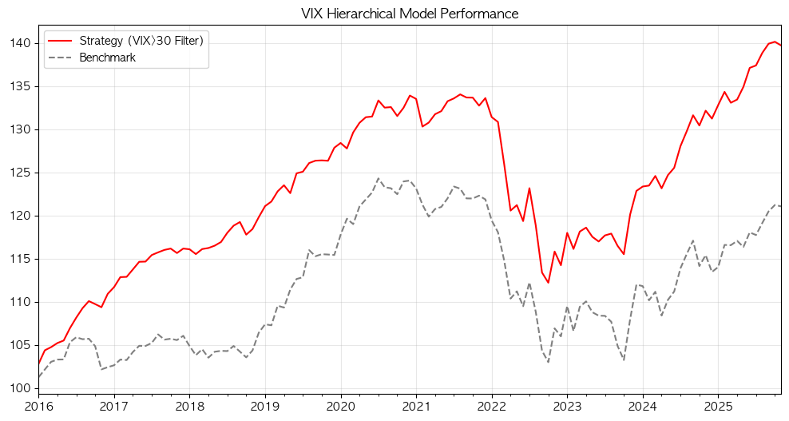
2018-01-31 | 1 | 0.85 | 0.15 | 0 | -0.07% | -1.125%
2018-02-28 | 1 | 0.85 | 0.15 | 0 | -0.48% | -1.009%
2018-03-30 | 2 | 0.6 | 0.4 | 0 | 0.50% | 0.671%
2018-04-30 | 1 | 0.85 | 0.15 | 0 | 0.11% | -0.941%
2018-05-31 | 1 | 0.85 | 0.15 | 0 | 0.24% | 0.662%
2018-06-29 | 1 | 0.85 | 0.15 | 0 | 0.36% | 0.103%
2018-07-31 | 1 | 0.85 | 0.15 | 0 | 0.91% | -0.029%
2018-08-31 | 1 | 0.85 | 0.15 | 0 | 0.70% | 0.568%
2018-09-28 | 1 | 0.85 | 0.15 | 0 | 0.36% | -0.620%
2018-10-31 | 1 | 0.85 | 0.15 | 0 | -1.23% | -0.644%
2018-11-30 | 3 | 0.35 | 0.65 | 0 | 0.56% | 0.772%
2018-12-31 | 3 | 0.35 | 0.65 | 0 | 1.17% | 1.981%
2019-01-31 | 4 | 0.15 | 0.8 | 0.05 | 1.06% | 0.911%
2019-02-28 | 1 | 0.85 | 0.15 | 0 | 0.44% | -0.114%
2019-03-29 | 1 | 0.85 | 0.15 | 0 | 0.97% | 2.123%
2019-04-30 | 1 | 0.85 | 0.15 | 0 | 0.58% | -0.200%
2019-05-31 | 1 | 0.85 | 0.15 | 0 | -0.74% | 1.911%
2019-06-28 | 1 | 0.85 | 0.15 | 0 | 1.87% | 1.099%
2019-07-31 | 1 | 0.85 | 0.15 | 0 | 0.15% | 0.182%
2019-08-30 | 1 | 0.85 | 0.15 | 0 | 0.80% | 2.783%
2019-09-30 | 1 | 0.85 | 0.15 | 0 | 0.22% | -0.612%
2019-10-31 | 1 | 0.85 | 0.15 | 0 | 0.03% | 0.208%
2019-11-29 | 1 | 0.85 | 0.15 | 0 | -0.03% | -0.035%
2019-12-31 | 1 | 0.85 | 0.15 | 0 | 1.20% | -0.047%
2020-01-31 | 1 | 0.85 | 0.15 | 0 | 0.43% | 2.029%
2020-02-28 | 1 | 0.85 | 0.15 | 0 | -0.49% | 1.585%
2020-03-31 | 4 | 0.15 | 0.8 | 0.05 | 1.46% | -0.527%
2020-04-30 | 4 | 0.15 | 0.8 | 0.05 | 0.86% | 1.719%
2020-05-29 | 4 | 0.15 | 0.8 | 0.05 | 0.50% | 0.673%
2020-06-30 | 3 | 0.35 | 0.65 | 0 | 0.06% | 0.659%
2020-07-31 | 4 | 0.15 | 0.8 | 0.05 | 1.42% | 1.333%
2020-08-31 | 3 | 0.35 | 0.65 | 0 | -0.63% | -0.824%
2020-09-30 | 3 | 0.35 | 0.65 | 0 | 0.05% | -0.097%
2020-10-30 | 3 | 0.35 | 0.65 | 0 | -0.78% | -0.558%
2020-11-30 | 4 | 0.15 | 0.8 | 0.05 | 0.73% | 1.207%
2020-12-31 | 1 | 0.85 | 0.15 | 0 | 1.07% | 0.086%
2021-01-29 | 1 | 0.85 | 0.15 | 0 | -0.29% | -0.745%
2021-02-26 | 4 | 0.15 | 0.8 | 0.05 | -2.40% | -1.518%
2021-03-31 | 1 | 0.85 | 0.15 | 0 | 0.35% | -1.146%
2021-04-30 | 1 | 0.85 | 0.15 | 0 | 0.74% | 0.732%
2021-05-31 | 1 | 0.85 | 0.15 | 0 | 0.28% | 0.204%
2021-06-30 | 1 | 0.85 | 0.15 | 0 | 0.87% | 0.828%
2021-07-30 | 1 | 0.85 | 0.15 | 0 | 0.24% | 1.117%
2021-08-31 | 1 | 0.85 | 0.15 | 0 | 0.35% | -0.200%
2021-09-30 | 1 | 0.85 | 0.15 | 0 | -0.27% | -0.917%
2021-10-29 | 1 | 0.85 | 0.15 | 0 | -0.01% | -0.009%
2021-11-30 | 1 | 0.85 | 0.15 | 0 | -0.69% | 0.271%
2021-12-31 | 2 | 0.6 | 0.4 | 0 | 0.66% | -0.359%
2022-01-31 | 1 | 0.85 | 0.15 | 0 | -1.65% | -1.999%
2022-02-28 | 2 | 0.6 | 0.4 | 0 | -0.43% | -1.146%
2022-03-31 | 4 | 0.15 | 0.8 | 0.05 | -3.79% | -2.812%
2022-04-29 | 4 | 0.15 | 0.8 | 0.05 | -4.22% | -3.806%
2022-05-31 | 4 | 0.15 | 0.8 | 0.05 | 0.53% | 0.761%
2022-06-30 | 4 | 0.15 | 0.8 | 0.05 | -1.53% | -1.553%
2022-07-29 | 4 | 0.15 | 0.8 | 0.05 | 3.20% | 2.538%
2022-08-31 | 3 | 0.35 | 0.65 | 0 | -3.50% | -3.042%
2022-09-30 | 4 | 0.15 | 0.8 | 0.05 | -4.60% | -4.145%
2022-10-31 | 4 | 0.15 | 0.8 | 0.05 | -1.04% | -1.278%
2022-11-30 | 3 | 0.35 | 0.65 | 0 | 3.22% | 3.808%
2022-12-30 | 3 | 0.35 | 0.65 | 0 | -1.37% | -0.870%
2023-01-31 | 3 | 0.35 | 0.65 | 0 | 3.29% | 3.330%
2023-02-28 | 1 | 0.85 | 0.15 | 0 | -1.58% | -2.666%
2023-03-31 | 1 | 0.85 | 0.15 | 0 | 1.73% | 2.641%
2023-04-28 | 1 | 0.85 | 0.15 | 0 | 0.39% | 0.575%
2023-05-31 | 1 | 0.85 | 0.15 | 0 | -0.90% | -1.144%
2023-06-30 | 3 | 0.35 | 0.65 | 0 | -0.46% | -0.368%
2023-07-31 | 1 | 0.85 | 0.15 | 0 | 0.60% | -0.015%
2023-08-31 | 1 | 0.85 | 0.15 | 0 | 0.18% | -0.631%
2023-09-29 | 1 | 0.85 | 0.15 | 0 | -1.19% | -2.590%
2023-10-31 | 1 | 0.85 | 0.15 | 0 | -0.84% | -1.571%
2023-11-30 | 3 | 0.35 | 0.65 | 0 | 3.99% | 4.593%
2023-12-29 | 1 | 0.85 | 0.15 | 0 | 2.27% | 3.698%
2024-01-31 | 1 | 0.85 | 0.15 | 0 | 0.41% | -0.151%
2024-02-29 | 1 | 0.85 | 0.15 | 0 | 0.09% | -1.475%
2024-03-29 | 1 | 0.85 | 0.15 | 0 | 0.90% | 0.902%
2024-04-30 | 1 | 0.85 | 0.15 | 0 | -1.15% | -2.478%
2024-05-31 | 1 | 0.85 | 0.15 | 0 | 1.24% | 1.670%
2024-06-28 | 1 | 0.85 | 0.15 | 0 | 0.68% | 0.885%
2024-07-31 | 1 | 0.85 | 0.15 | 0 | 2.00% | 2.419%
2024-08-30 | 1 | 0.85 | 0.15 | 0 | 1.35% | 1.461%
2024-09-30 | 1 | 0.85 | 0.15 | 0 | 1.42% | 1.333%
2024-10-31 | 1 | 0.85 | 0.15 | 0 | -0.90% | -2.519%
2024-11-29 | 1 | 0.85 | 0.15 | 0 | 1.32% | 1.111%
2024-12-31 | 1 | 0.85 | 0.15 | 0 | -0.70% | -1.693%
2025-01-31 | 1 | 0.85 | 0.15 | 0 | 1.21% | 0.516%
2025-02-28 | 1 | 0.85 | 0.15 | 0 | 1.14% | 2.237%
2025-03-31 | 1 | 0.85 | 0.15 | 0 | -0.94% | -0.026%
2025-04-30 | 1 | 0.85 | 0.15 | 0 | 0.28% | 0.431%
2025-05-30 | 1 | 0.85 | 0.15 | 0 | 1.11% | -0.607%
2025-06-30 | 1 | 0.85 | 0.15 | 0 | 1.62% | 1.455%
2025-07-31 | 1 | 0.85 | 0.15 | 0 | 0.21% | -0.264%
2025-08-29 | 1 | 0.85 | 0.15 | 0 | 1.06% | 1.190%
2025-09-30 | 1 | 0.85 | 0.15 | 0 | 0.76% | 1.127%
2025-10-31 | 1 | 0.85 | 0.15 | 0 | 0.16% | 0.615%

